FILA DISRUPTOR
 |  |  |  | SIZE |  |  |  |  |  | 1596 |  | € 159,600.00
PHOTO | ARTICLE | COLOR | GENDER | 36 | 37 | 38 | 39 | 40 | 41 | TOTAL | RRP | TOTAL RRP
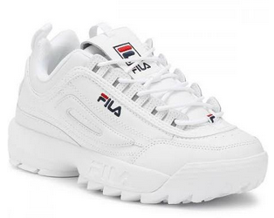 | Disruptor Low 101032 | 1FG - White | W | 47 | 95 | 144 | 144 | 95 | 47 | 572 | € 100.00 | € 57,200.00
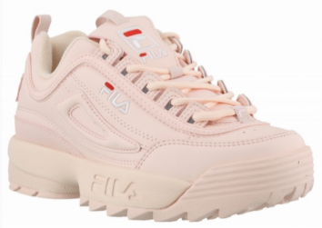 | Disruptor Low 101032 | 71P - Rose smoke | W | 9 | 18 | 27 | 27 | 18 | 8 | 107 | € 100.00 | € 10,700.00
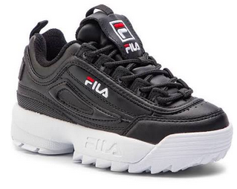 | Disruptor Low 101032 | 25Y - Black | W | 19 | 38 | 57 | 57 | 38 | 19 | 228 | € 100.00 | € 22,800.00
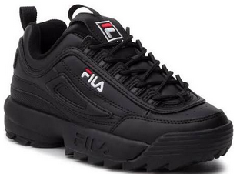 | Disruptor Low 101032 | 12V - Black/black | W | 19 | 38 | 56 | 56 | 38 | 18 | 225 | € 100.00 | € 22,500.00
 | Disruptor M Low 1010747 | 3VW - Silver | W | 20 | 40 | 60 | 60 | 38 | 20 | 238 | € 100.00 | € 23,800.00
 | Disruptor M Low 1010747 | 80C - Gold | W | 18 | 38 | 57 | 56 | 38 | 19 | 226 | € 100.00 | € 22,600.00

